HOME
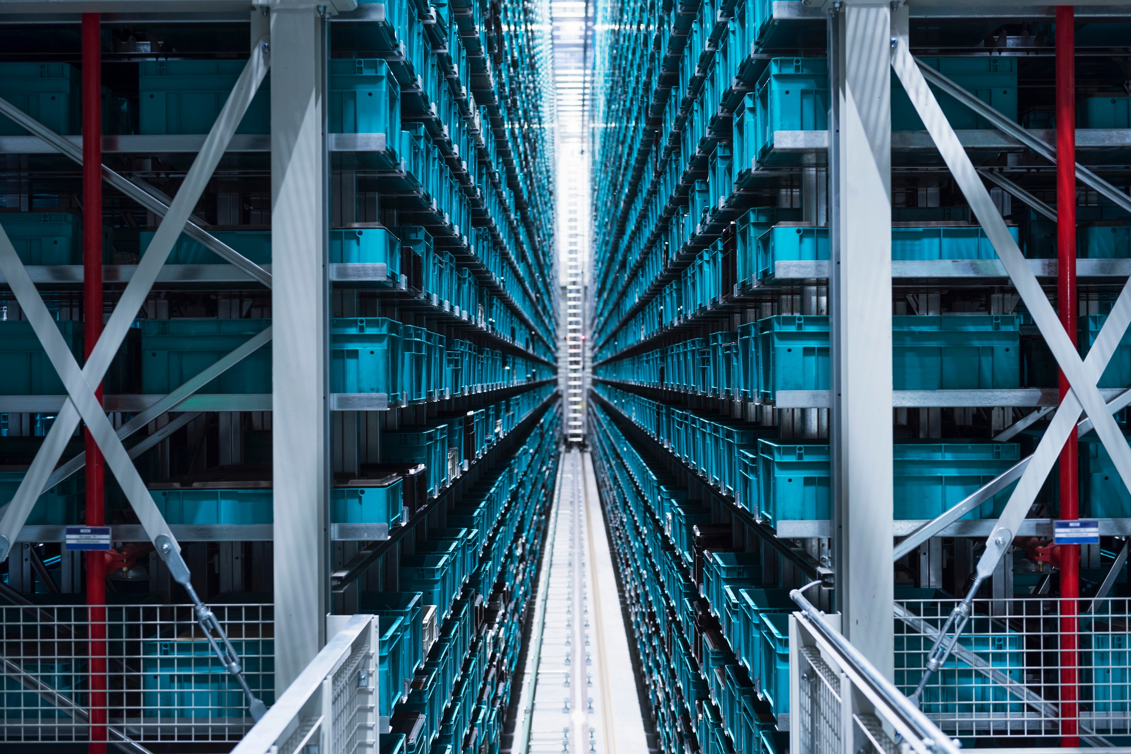
SUPERSTORE SALES ANALYTICS DASHBOARD
`
`

DATA ANALYTICS CAPSTONE PROJECT | BY KISHOR

OVERVIEW
REGIONAL ANALYSIS
PRODUCT ANALYSIS
PRODUCT ANALYSIS
CUSTOMER INSIGHTS

PROJECT AT A GLANCE
`

9,800+ RECORDS
5 DASHBOARDS
9+ DAX MEASURES

TOOLS & TECHNOLOGIES

POWER PIVOT
EXCEL
POWER QUERY
DAX MEASURES

OVERVIEW
SALES BY REGION
 | Total
Central | 492647
East | 660589
South | 389151
West | 710220
YEARLY SALES TREND
 | Total
2015 | 479856
2016 | 454316
2017 | 597225
2018 | 721210
TOP 5 SUB-CATEGORIES
 | Total
Accessories
Appliances
Art
Binders
Bookcases | #N/A
Chairs | 173420.181
Copiers | 252462.547
Envelopes | 108841.749
Fasteners | 109041.12
Furnishings | 116106.322
Labels | 759871.919
Machines
Paper
Phones
Storage
Supplies
Tables
SALES BY SHIP MODE
 | Total
First Class | 345572
Same Day | 125219
Second Class | 449199
Standard Class | 1332617
EXECUTIVE OVERVIEW
TOTAL SALES
TOTAL ORDERS
AVG ORDER VALUE
TOTAL CUSTOMERS
2252607
4916
458
793
KEY INSIGHTS
- WEST & EAST HAVE HIGHEST SALES
- TECHNOLOGY IS TOP CATEGORY
- FEW STATES GIVE MAX REVENUE
- HIGH SALES GROWTH IN YEAR-END
TOTAL REGIONS
4
TOTAL STATES
49

HOME

OVERVIEW

REGIONAL ANALYSIS`

PRODUCT ANALYSIS

CUSTOMER INSIGHTS

REGIONAL
REGIONAL ANALYSIS

TOTAL SALES
TOTAL ORDERS
AVG ORDER VALUE
TOTAL CUSTOMERS
HOME

2252607
4916
458
793

OVERVIEW
TOP 10 STATES BY SALES
 | Total
California | 446306
Florida | 88437
Illinois | 79237
Michigan | 76136
New York | 306361
Ohio | 75130
Pennsylvania | 116277
Texas | 168573
Virginia | 70637
Washington | 135207
SALES DISTRIBUTION BY REGION
 | Total
Central | 492647
East | 660589
South | 389151
West | 710220

REGIONAL ANALYSIS`

PRODUCT ANALYSIS
TOP 5 CITIES
 | Total
Los Angeles | 173420
New York City | 252463
Philadelphia | 108842
San Francisco | 109041
Seattle | 116106

CUSTOMER INSIGHTS

PRODUCT
PRODUCT ANALYSIS

TOTAL SALES
TOTAL ORDERS
AVG ORDER VALUE
TOTAL CUSTOMERS

HOME
2252607
4916
793
458

SALES BY SUB- CATEGORY
 | Total
Accessories
Appliances
Art
Binders
Bookcases
Chairs
Copiers | #N/A
Envelopes | 61599.824
Fasteners | 22638.48
Furnishings | 27453.384
Labels | 17965.068
Machines | 19823.479
Paper | 19024.5
Phones | 18839.686
Storage | 17030.312
Supplies | 21870.576
Tables | 18374.895
SALES DISTRIBUTION BY CATEGORY
 | Total
Furniture | 723538
Office Supplies | 703213
Technology | 825856

OVERVIEW

REGIONAL ANALYSIS`

TOP 10 PRODUCT BY SALES
 | Total
Canon imageCLASS 2200 Advanced Copier | 61600
Cisco TelePresence System EX90 Videoconferencing Unit | 22638
Fellowes PB500 Electric Punch Plastic Comb Binding Machine with Manual Bind | 27453
GBC DocuBind P400 Electric Binding System | 17965
GBC DocuBind TL300 Electric Binding System | 19823
GBC Ibimaster 500 Manual ProClick Binding System | 19025
Hewlett Packard LaserJet 3310 Copier | 18840
High Speed Automatic Electric Letter Opener | 17030
HON 5400 Series Task Chairs for Big and Tall | 21871
HP Designjet T520 Inkjet Large Format Printer - 24" Color | 18375
TOP SUB- CATEGORY

PHONE
PRODUCT ANALYSIS
330K

LOWEST SUB- CATEGORY

CUSTOMER INSIGHTS
FASTENERS
3K

CUSTOMER
CUSTOMER ANALYSIS

TOTAL SALES
TOTAL ORDERS
AVG ORDER VALUE
TOTAL CUSTOMERS
HOME
793
2252607
4916
458

TOP 10 CUSTOMER BY SALES
 | Total
Adrian Barton | 14474
Christopher Conant | 12129
Hunter Lopez | 12873
Ken Lonsdale | 14175
Raymond Buch | 15117
Sanjit Chand | 14142
Sanjit Engle | 12209
Sean Miller | 25043
Tamara Chand | 19052
Tom Ashbrook | 14596
SALES DISTRIBUTION BY SEGMENT
 | Total
Consumer | 1146708
Corporate | 682212
Home Office | 423687

OVERVIEW

REGIONAL ANALYSIS`

PRODUCT ANALYSIS
CUSTOMER COUNT BY SEGMENT

AVG SALES PER CUSTOMER
CONSUMER:400
CORPORATE:236
HOME OFFICE:146

2841

CUSTOMER INSIGHTS

